Gear Checker (OLD)
 |  |  |  |  |  | OPERATION STANDARD
 |  |  |  |  |  |  |  |  |  |  |  |  | Anneaxure to ISW-QA-031

Equipment Name | CNC Gear Checker(CLP 35) |  |  | Process | Lead & Profile Checking |  | Section | Date | 21st Dec 05 |  |  | PREPARED |  | CHECKED | APPROVED
Components | Shafs & Gears |  |  | Oprn. No. | -------- |  | Quality Assurance | Iss.no. | 3 | Rev. | 0

Picture |  |  | S. No. | Operation Procedure |  | Vital Point Of Operation |  | Things which You should Not Do |  |  |  | Result in case you do it
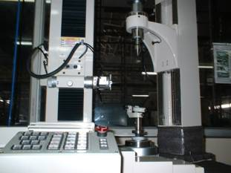
 |  |  | 1 | Switch On Power Supply To Instrument |  | Perform With Dry Hands |  | Don't operae With Wet Hands |  |  |  | May Get Electric Shock
 |  |  | 2 | Switch On Power Supply To Measuring Bed
 |  |  | 3 | Visually Check Condition Of Stylus & Measuring Unit |  | Condition Should Be OK |  | If NotOK Report Shift Incharge Don't Operate With Damaged Stylus |  |  |  | Error In Measurment Will Occur

 |  |  | 4 | Bring the Machine to Home Position by
 |  |  |  | bringing the Detector Unit towards extreme
 |  |  |  | End of Slides
 |  |  | 5 | Screen will appear after power supply, Select
 |  |  |  | option "Gear Standard" from the listed options
 |  |  | 6 | Select "Measuring Parameter Set" as shown
 |  |  |  | in Measuring Set Up Sequence 2
 |  |  | 7 | Depending on the parameter required to be
 |  |  |  | checked, Select options as shown in
 |  |  |  | Measuring Set Up Sequence 3
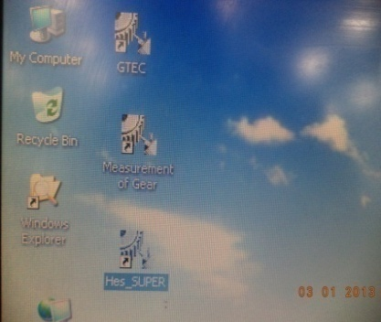
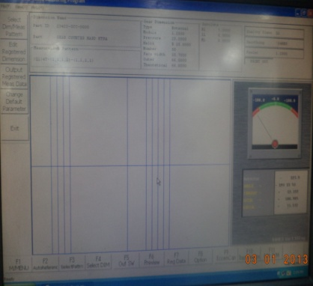
Main Machine |  |  | 8 | Depending on the desired Graph Display,
 |  |  |  | Select options as shown in Measuring
 |  |  |  | Set Up Sequence 4
 |  |  | 9 | Select the program based on the component, |  | Program called should
 |  |  |  | model and stage viz Hobbing,Shaving or Final |  | be specific to the checking
 |  |  |  | Stage as shown in the Part Selection |  | Component,model & Stage
 |  |  | 10 | Clamp Job Between Centers With Center
 |  |  |  | Arrangements properly fixed as shownr &
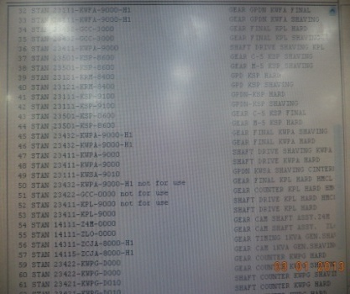
Measuring Set Up Sequence 1 | Measuring Set Up Sequence 2 |  |  | Lower Down Upper Vertical Center To Exert Required Pressure
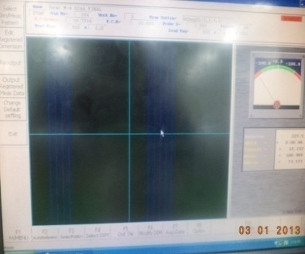
 |  |  | 11 | Check for the right Stylus Diameter and press |  | Check For Right Stylus |  | Always Use Specified Stylus |  |  |  | Stylus May Get Damaged
 |  |  |  | "RG set" to bring the stylus in proximity with
 |  |  |  | the component based on the program data
 |  |  | 12 | Move Horizontal Slide Toward Center & |  | Keep a gap of approx 1 mm |  | Stylus shoud not actually |  |  |  | Machine won't be sensing the position
 |  |  |  | Bring Stylus close to Gear Flank |  | between the Stylus |  | touch the gear flank |  |  |  | & will won't operate
 |  |  |  |  |  | & Gear Flank
 |  |  | 13 | Press Auto Start and Machine will automatically
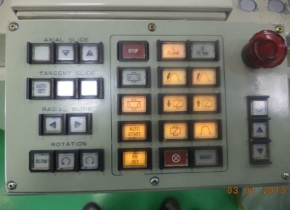
Measuring Set Up Sequence 3 | Measuring Set Up Sequence 4 |  |  | check the component profile & lead error
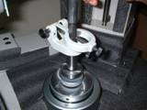
 |  |  |  | and also Pitch Error if selected

 |  |  | 14 | Once the measurement finishes,Move the |  | While removing component ,
 |  |  |  | stylus away from center ,Loosen the Center |  | stylus should not hit
 |  |  |  | Assembly,Move the Vertical Slide Up and |  | Component
 |  |  |  | take out the Component
Control Panel | Center Arrangement
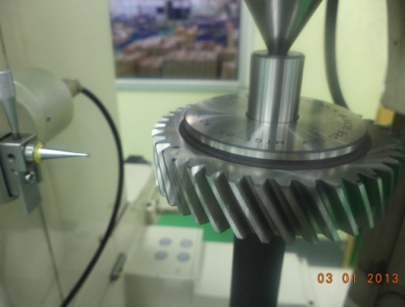
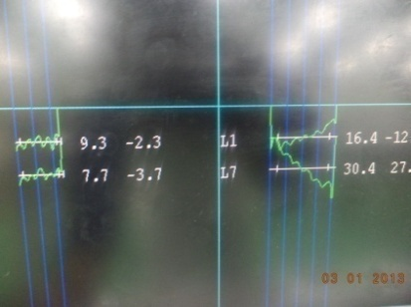

Component Loading & Setting | Graph Output
SAFETY DEVICES TO BE USED |  |  | ATTENTION |  |  |  |  | WORKING HEADS |  |  |  |  | REMARKS
 |  |  |  |  |  |  |  |  |  |  |  |  | Always Change STYLUS Carefully. Refer To Manual Provided With Instrument (In Case Of Any Problem)
Name of safety device | Qty | Remarks | Route to be followed in case of any trouble |  |  |  |  | 1. MACHINE STARTUP |  |  | 5. MACHINE STOP

 |  |  | A Shift, General Shift |  | Line Asso. Exec. Sr. Exe. A.M D.M. |  |  | 2. MACHINE OPERATION |  |  | 6 CLEANING

 |  |  |  |  |  |  |  | 3. QUALITY MEASUREMENT
 |  |  | B & C Shift |  | Line Asso. Exec. Sr. Exe.
 |  |  |  |  |  |  |  |  |  |  |  |  | VITAL CHECK POINTS ARE SHOWN IN RED COLOUR
 |  |  |  |  |  |  |  | 4. STYLUS CHANGE

GEAR 25.07.2015 351056
 |  |  |  |  |  | OPERATION STANDARD
 |  |  |  |  |  |  |  |  |  |  |  |  | Anneaxure to ISW-QA-011

Equipment Name | CNC GEAR TESTER |  |  | Process | Lead & Profile Checking |  | Section | Date | 05 th JUNE 15 |  |  | PREPARED |  | CHECKED | APPROVED
Machine Number | CLP-35 351056 |  |  | Oprn. No. | -------- |  | Quality Assurance | Iss.no. | 1 | Rev. | 0 | SHIVA NANDA |  | VIVEK SAN | OGATA SAN
Components | GEARS & SHAFTS

Picture |  |  | S. No. | Operation Procedure |  | Vital Point Of Operation |  | Things which You should Not Do |  |  |  | Result in case you do it

 |  |  | 1 | Switch On Power Supply To Instrument |  | Perform With Dry Hands |  | Don't operae With Wet Hands |  |  |  | May Get Electric Shock
 |  |  | 2 | Switch On Power Supply To Measuring Bed
 |  |  | 3 | Visually Check Condition Of Stylus & Measuring Unit |  | Condition Should Be OK |  | If NotOK Report to Shift Incharge , Don't Operate With Damaged Stylus |  |  |  | Error In Measurment Will Occur

 |  |  | 4 | Bring the Machine to Home Position by
 |  |  |  | bringing the Detector Unit towards extreme
 |  |  |  | End of Slides
 |  |  | 5 | Screen will appear after power supply, Select
 |  |  |  | option "Gear Standard" from the listed options
 |  |  | 6 | Select "Measuring Parameter Set" as shown
 |  |  |  | in Measuring Set Up Sequence 2
 |  |  | 7 | Depending on the parameter required to be
 |  |  |  | checked, Select options as shown in
 |  |  |  | Measuring Set Up Sequence 3
 |  |  | 8 | Depending on the desired Graph Display,
Main Machine |  |  |  | Select options as shown in Measuring
 |  |  |  | Set Up Sequence 4
 |  |  | 9 | Select the program based on the component, |  | Program called should |  | Don't select the wrong program |  |  |  | Stylus May Get Damaged
 |  |  |  | model and stage viz Hobbing,Shaving or Final |  | be specific to the checking
 |  |  |  | Stage as shown in the Part Selection |  | Component,model & Stage

 |  |  | 10 | Part cleaning before inspection
 |  |  | i) | In case of measurement of shaft ensure that the |  | Machine should not be damaged. |  | Do not check the part if part or machine centres |  |  |  | Error in measurement.
 |  |  |  | shaft centres are free from dust and any other |  |  |  | are damaged.
 |  |  |  | forgien elements.
Measuring Set Up Sequence 1 | Measuring Set Up Sequence 2
 |  |  | ii) | Clean the component tooth with brush prior the
 |  |  |  | checking the part.

 |  |  | iii) | Ensure face run out (MT Gears with mandrill) of
 |  |  |  | part is set to minimum before checking. (To a max
 |  |  |  | of 0.02mm for 4W parts)

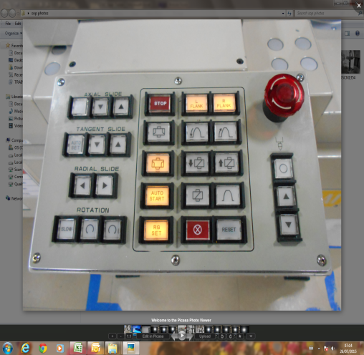
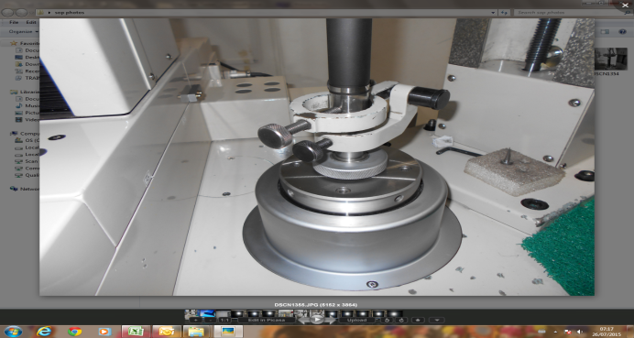
 |  |  | 11 | Clamp Job Between Centers With Center
Measuring Set Up Sequence 3 | Measuring Set Up Sequence 4 |  |  | Arrangements properly fixed as shownr &
 |  |  |  | Lower Down Upper Vertical Center To Exert Required Pressure

 |  |  | 12 | Check for the right Stylus Diameter and press
 |  |  |  | "RG set" to bring the stylus in proximity with |  | Check For Right Stylus |  | Always Use Specified Stylus |  |  |  | Stylus May Get Damaged
 |  |  |  | the component based on the program data

 |  |  | 13 | Move Horizontal Slide Toward Center &
 |  |  |  | Bring Stylus close to Gear Flank |  | Keep a gap of approx 1 mm |  | Stylus shoud not actually |  |  |  | Machine won't be sensing the position
Control Panel | Center Arrangement |  |  |  |  | between the Stylus |  | touch the gear flank |  |  |  | & will won't operate
 |  |  | 14 | Press Auto Start and Machine will automatically |  | & Gear Flank
 |  |  |  | check the component profile & lead error
 |  |  |  | and also Pitch Error if selected

 |  |  | 15 | Once the measurement finishes,Move the
 |  |  |  | stylus away from center ,Loosen the Center |  | While removing component ,
 |  |  |  | Assembly,Move the Vertical Slide Up and |  | stylus should not hit
 |  |  |  | take out the Component |  | Component
Component Loading & Setting | Graph Output
SAFETY DEVICES TO BE USED |  |  | ATTENTION |  |  |  |  | WORKING HEADS |  |  |  |  | REMARKS
 |  |  |  |  |  |  |  |  |  |  |  |  | Always Change STYLUS Carefully. Refer To Manual Provided With Instrument (In Case Of Any Problem)
Name of safety device | Qty | Remarks | Route to be followed in case of any trouble |  |  |  |  | 1. MACHINE STARTUP |  |  | 5. MACHINE STOP

 |  |  | A Shift, General Shift |  | Line Asso. Exec. Sr. Exe. A.M D.M. |  |  | 2. MACHINE OPERATION |  |  | 6 CLEANING

 |  |  |  |  |  |  |  | 3. QUALITY MEASUREMENT
 |  |  | B & C Shift |  | Line Asso. Exec. Sr. Exe.
 |  |  |  |  |  |  |  |  |  |  |  |  | VITAL CHECK POINTS ARE SHOWN IN RED COLOUR
 |  |  |  |  |  |  |  | 4. STYLUS CHANGE

